03.Overview
Basic Design |  |  |  |  | Sheet name |  | Overview | Document | Upload, delete and download CSV file
Project name |  |  |  | PSP
 |  |  |  |  |  |  |  |  | PSP_BD_My152_OrderHistory

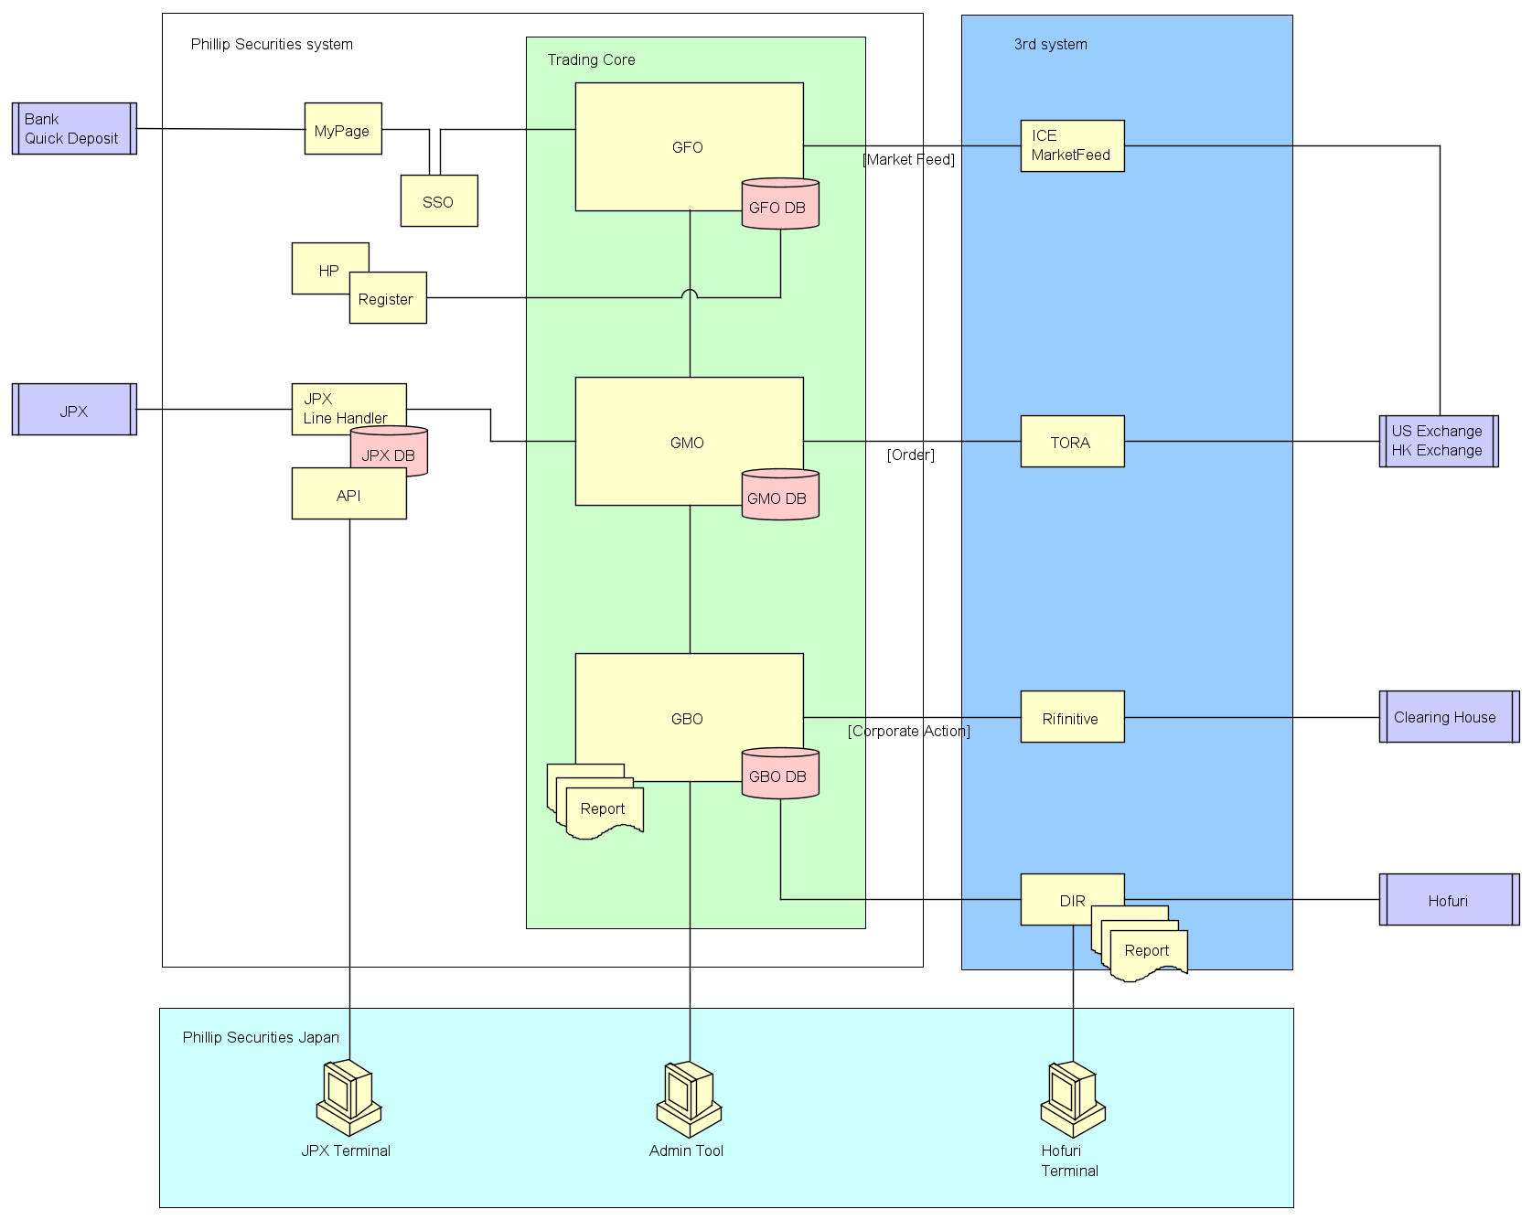
I. Diagram

 | Refer System architecture diagram document

II. Introduction

 |  | Function overview
 |  |  | - This function show and search information (ticker code, ticker name, execution time, …) of execution (fully or partiall) in past end current.
 |  |  | - This function execution order

 |  | Function position in Menu
Menu

Order
注文

Order History (MY152)
注文履歴

 |  | Screen Transition

Order History
(MY152)
注文履歴
OrderDetail
 |  |  |  |  |  | Click on a secific Order

04.Screen
Basic Design |  |  |  |  |  |  |  |  |  | Sheet name |  |  |  | Screen |  |  |  |  | Document |  |  |  | Upload, delete and download CSV file |  |  |  |  |  |  |  |  |  |  |  |  | IT Testcase |  |  |  | Execute Date |  | Executer |  | 参加者 |  | 判定
Project name |  |  | #REF!
 |  |  |  |  |  |  |  |  |  |  |  |  |  |  |  |  |  |  |  |  |  |  | PSP_BD_My152_OrderHistory |  |  |  |  |  |  |  |  |  |  |  |  | TestCase |  | 0 |  | OK | 0 | NG | 0 | ReqNG | 0 | UnTest | 0
LIST OF THE CSV FILE |  |  |  |  |  |  |  |  |  |  |  |  |  |  |  |  |  |  |  |  |  |  |  |  |  |  |  |  |  |  |  |  |  |  |  | Display/Input Item Testing

News

1
3
Search...
CONTACTS

FUNDING |  |  |  |  |  |  |  |  |  |  |  |  |  |  |  |  |  |  |  |  | Input your file name

4
5
6
2
TRADING
 |  |  |  |  |  |  | File ID |  | Input your file ID |  |  |  |  |  |  | File Name |  | Input your file name |  |  |  | Uploaded on |  |  | mm/dd/yyyy
7
8
9
REPORT
 |  |  |  |  |  |  | File status |  |  | Completed |  | ▼ |  |  |  | Uploaded by |  | Person's name |  |  |  | Latest Modify |  |  |  | mm/dd/yyyy
11
12
14
15
16
17
18
13
NEWS

 |  |  |  |  |  |  |  | ID |  |  | Name |  |  |  | Uploaded on |  | Uploaded by |  |  | Latest Modify | Modified by |  |  | Status |  |  | Number of records
CORPORATE ACTION
 |  |  |  |  |  |  |  | 1 |  |  | My first CSV file |  |  |  | 2021-01-01 |  | Truong Khang |  |  | 2021-02-02 | Truong Ha |  |  | In progress |  |  | 50
10
SYSTEM |  |  |  |  |  |  |  | 2 |  |  | My database |  |  |  | 24/11/2021 |  | Nguyen Van A |  |  | 25/11/2021 | Nguyen Van B |  |  | Completed |  |  | 100

SETTINGS
 |  |  |  |  |  |  |  |  |  |  |  |  |  |  |  |  |  |  |  |  |  |  |  |  |  | << | < | 1 | 2 | 3 | 4 | 5 | > | >>
19

No. | Items |  |  |  | Object Type |  | I/O |  | C: Character, N: Number, D: Date |  |  |  |  |  |  |  |  |  | Initial value |  |  |  |  | Table Field/API |  |  |  |  |  |  |  | Description |  |  |  | Type | Size |  | Format | Tab idx | Req | I/O | CRUD API | Action | Msg | Other
 |  |  |  |  |  |  |  |  | Req |  | Type |  | Size |  | Tab idx | Format
1 | Upload CSV file |  |  |  | Button |  | I |  |  |  |  |  |  |  |  |  |  |  |  |  |  |  |  |  |  |  |  |  |  |  |  | Upload a CSV file from the current device
2 | Export CSV file |  |  |  | Button |  |  |  |  |  |  |  |  |  |  |  |  |  |  |  |  |  |  |  |  |  |  |  |  |  |  | Export one or more CSV file to the current device
4 | File ID |  |  |  | Text box |  | I |  | Yes |  | Char |  |  |  |  | [a-zA-Z0-9] |  |  | Empty |  |  |  |  |  |  |  |  |  |  |  |  | Search file ID
5 | File Name |  |  |  | Text box |  | I |  | Yes |  | Char |  |  |  |  | [a-zA-Z0-9] |  |  | Empty |  |  |  |  |  |  |  |  |  |  |  |  | Search file name
6 | Uploaded on |  |  |  | Text box |  | I |  | Yes |  | Date |  | 20 |  |  | yyyy/mm/dd |  |  | Empty |  |  |  |  |  |  |  |  |  |  |  |  | Search uploaded date
7 | File status |  |  |  | Dropdown list |  | I |  | Yes |  | Char |  |  |  |  |  |  |  | Completed |  |  |  |  |  |  |  |  |  |  |  |  | Search file's status : + completed + in progress : is being verified
8 | Uploaded by |  |  |  | Text box |  | I |  | Yes |  | Char |  | 20 |  |  | [a-zA-Z] |  |  | Empty |  |  |  |  |  |  |  |  |  |  |  |  | Search person who upload file at first time
9 | Latest Modify |  |  |  | Text box |  | I |  | Yes |  | Date |  |  |  |  | yyyy/mm/dd |  |  | Empty |  |  |  |  |  |  |  |  |  |  |  |  | Search latest time when the file is changed
10 | Download sample CSV file |  |  |  | Button |  | O |  |  |  |  |  |  |  |  |  |  |  |  |  |  |  |  |  |  |  |  |  |  |  |  | Download template of a CSV file
11 | ID |  |  |  | Label |  | O |  |  |  | Char |  | 10 |  |  |  |  |  |  |  |  |  |  |  |  |  |  |  |  |  |  | ID of file
12 | Name |  |  |  | Label |  | O |  |  |  | Char |  | 10 |  |  |  |  |  |  |  |  |  |  |  |  |  |  |  |  |  |  | Name of file
13 | Uploaded on |  |  |  | Label |  | O |  |  |  | Date |  | 15 |  |  |  |  |  |  |  |  |  |  |  |  |  |  |  |  |  |  | Upload date of file
14 | Uploded by |  |  |  | Label |  | O |  |  |  | Char |  | 25 |  |  |  |  |  |  |  |  |  |  |  |  |  |  |  |  |  |  | Name of person who upload file at first time
15 | Latest Modify |  |  |  | Label |  | O |  |  |  | Date |  | 15 |  |  |  |  |  |  |  |  |  |  |  |  |  |  |  |  |  |  | Date of the latest modify
16 | Modified by |  |  |  | Label |  | O |  |  |  | Char |  | 20 |  |  |  |  |  |  |  |  |  |  |  |  |  |  |  |  |  |  | Name of person who give some changes in uploaded file
17 | Status |  |  |  | Label |  | O |  |  |  | Char |  | 20 |  |  |  |  |  |  |  |  |  |  |  |  |  |  |  |  |  |  | Status of file : + completed : uploaded successful + in progress : is being verified
18 | Number of record |  |  |  | Label |  | O |  |  |  | Num |  | 4 |  |  |  |  |  |  |  |  |  |  |  |  |  |  |  |  |  |  | Number of objects will be added to database when the CSV file has been uploaded successful
19 | Pagination |  |  |  |  |  | O |  |  |  |  |  | 11 |  |  |  |  |  |  |  |  |  |  |  |  |  |  |  |  |  |  | Pagination
20
21

No. | Actions |  |  |  |  |  | Description

3 | Click [Search] button |  |  |  |  |  | Search information of input condition and show this on Information display area.

INFORMATION OF EACH CSV FILE

2
7
10
11
1
3
4
5
6
8
9
12

 |  | Ticker code |  |  |  | Loaning application date |  |  | Exchange |  |  | Settle reason |  |  | Loan over stock quantity |  | Balance rate |  |  | Lending rate inday |  | Number day lending |  |  |  | Lending rate previous day |  |  |  |  | Regulation |  |  |  | Note

No. | Items |  |  |  | Object Type |  | I/O |  | C: Character, N: Number, D: Date |  |  |  |  |  |  |  |  |  | Initial value |  |  |  |  | Table Field/API |  |  |  |  |  |  |  | Description
 |  |  |  |  |  |  |  |  | Req |  | Type |  | Size |  | Tab idx | Format
1 | Ticker name |  |  |  | Label
2 | Ticker code
3 | Loaning application date
4 | Exchange
5 | Settle reason
6 | Loan over stock quantity
7 | Balance rate
8 | Lending rate inday
9 | Number day lending
10 | Lending rate previous day
11 | Regulation |  |  |  |  |  |  |  |  |  |  |  |  |  |  |  |  |  |  |  |  |  |  |  |  |  |  |  |  |  |  | Stock exchange
12 | Note

05.Business Flow
Basic Design |  |  |  |  |  |  |  |  |  |  |  |  | Sheet name |  |  | Business Flow |  |  | Document | Upload, delete and download CSV file | Nomal TestCase |  | 0 | IT Testcase | Execute Date |  | Executer
Project name |  |  |  | PSP |  |  |  |  |  |  |  |  |  |  |  |  |  |  |  |  | Abnormal TestCase |  | 0 |  |  |  |  | Execute | 0 |  | OK | 0 | NG | 0 | ReqNG | 0 | UnTest | 0
 |  |  |  |  |  |  |  |  |  |  |  |  |  |  |  |  |  |  |  | PSP_BD_My152_OrderHistory | Total TestCase |  | 0
I. Initialize process |  |  |  |  |  |  |  |  |  |  |  |  |  |  |  |  |  |  |  |  | No. | Condition / Steps |  |  |  | Expected Result |  |  |  | Actual Result |  |  |  |  |  |  |  | Status
 | Display default of Search area
 |  |  |  |  |  | Account |  |  |  |  | = | All
 |  |  |  |  |  | Ticker |  |  |  |  | = | Empty
 |  |  |  |  |  | Order status |  |  |  |  | = | All
 |  |  |  |  |  | Side |  |  |  |  | = | All
 |  | Display of Display area
 |  |  |  |  | Refer logic III.B.

II. Validation

 | 1.Validate Account and Side
 |  |  |  |  |  | Main Account |  |  | America Account |  |  |  |  | China Account |  |  | Margin Account
 |  | Buy |  |  |  | Show |  |  | Show |  |  |  |  | Show |  |  | Hide
 |  | Sell |  |  |  | Show |  |  | Show |  |  |  |  | Show |  |  | Hide
 |  | Buy Open |  |  |  | Hide |  |  | Hide |  |  |  |  | Hide |  |  | Show
 |  | Sell Open |  |  |  | Hide |  |  | Hide |  |  |  |  | Hide |  |  | Show
 |  | Buy Settlement |  |  |  | Hide |  |  | Hide |  |  |  |  | Hide |  |  | Show
 |  | Sell Settlement |  |  |  | Hide |  |  | Hide |  |  |  |  | Hide |  |  | Show

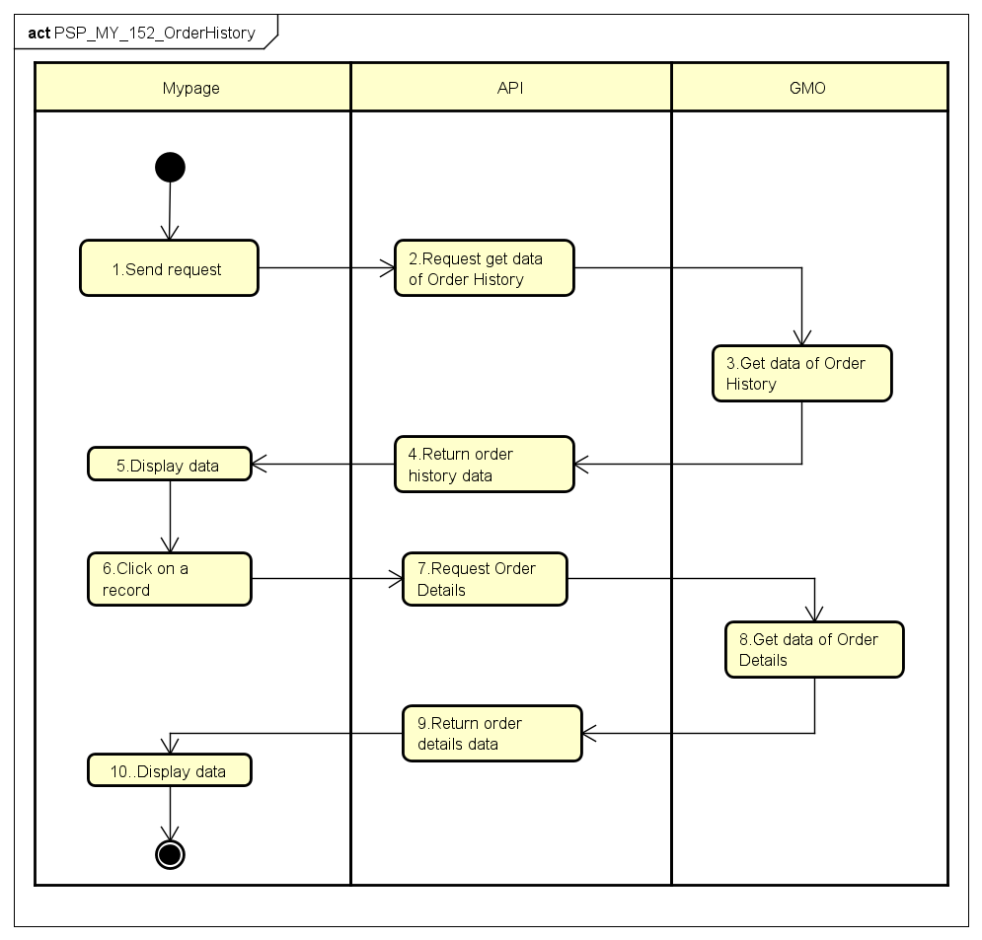
 | 2.Validate [Time from] and [Time to]
 |  | IF [Time from] > [Time to]
 |  |  | Hightlight the [Time from] and show
 |  | IF [Time to] < [Time from]
 |  |  | Hightlight the [Time to]ư and show
III. Main Process
 | 1 - Send request
 |  | Call API: GET/api/v1/order/order_history/
 |  |  | Param:
 |  |  |  | acct_id |  |  | = |  | $account_id
 | 2 - Request get data of Order History

 | 3 - Get data of Order History
 | SQL syntax:
 | Select
 |  | Result.account_id,
 |  | Result.order_no,
 |  | Result.tickercode,
 |  | tgi.instrument_desc as tickername,
 |  | Result.exchange,
 |  | Result.cliorid,
 |  | RIGHT(Result.sub_no, 2) as sub_no,
 |  | Result.side,
 |  | Result.trade_type,
 |  | Result.order_status,
 |  | Result.order_type,
 |  | Result.duration,
 |  | Result.order_price,
 |  | Result.order_qty,
 |  | Result.trigger_price,
 |  | Result.exec_price,
 |  | Result.exec_volume,
 |  | tao.leaves_qty,
 |  | Result.order_datetime,
 |  | Result.exec_datetime,
 |  | Result.currency,
 |  | Result.settle_currency,
 |  | Result.contingency_type,
 |  | Result.market,
 |  | Result.show_qty,
 |  | Result.trigger_type,
 |  | Result.trigger_act,
 |  | Result.trigger_instrment,
 |  | Result.trigger_price_direction,
 |  | Result.dis_market,
 |  | Result.message,
 |  | Result.submit_trader,
 |  | Result.trail_step,
 |  | Result.margin_trans_category as margin_category,
 |  | Result.order_kind as order_kind,
 |  | Result.account_category as account_category,
 |  | Result.orig_order_id,
 |  | overall_count = COUNT(*) OVER()
 | From
 | (
 |  | Select
 |  | tao.trading_acct as account_id,
 |  | tao.order_id as order_no,
 |  | tao.instrument as tickercode,
 |  | tao.exchange as exchange,
 |  | tao.cli_ordid as cliorid,
 |  | tao.cli_ordid as sub_no, --hardcode of value, correct field to get is command_id
 |  | tao.side as side,
 |  | tao.product as trade_type,
 |  | tao.ord_status as order_status,
 |  | tao.order_type as order_type,
 |  | tao.time_inforce as duration,
 |  | tao.order_price as order_price,
 |  | tao.order_qty as order_qty,
 |  | tao.trigger_price as trigger_price,
 |  | tao.exec_price as exec_price,
 |  | tao.exec_qty as exec_volume,
 |  | tao.order_time as order_datetime,
 |  | tao.exec_time as exec_datetime,
 |  | tao.trading_currency as currency,
 |  | tao.settle_currency as settle_currency,
 |  | tao.contingency_type as contingency_type,
 |  | tao.market as market,
 |  | tao.show_qty as show_qty,
 | tao.trigger_type as trigger_type,
 |  | tao.trigger_action as trigger_act,
 |  | tao.trigger_instrument as trigger_instrment,
 |  | tao.trigger_price_direction as trigger_price_direction,
 |  | tao.dist_to_market as dis_market,
 |  | tao.text as message,
 |  | tao.submit_trader as submit_trader,
 |  | tao.trailing_step as trail_step,
 |  | tao.order_kind as order_kind,
 |  | tao.account_category as account_category,
 |  | tao.margin_trans_category as margin_trans_category,
 |  | tao.orig_order_id as orig_order_id
 |  | From GlobalMO.dbo.tb_admin_orders as tao
 |  | where tao.trading_acct = @acct_no and tao.ord_status in ('1', '2', '4', '8', 'C')
 |  | and CONVERT(DATE,tao.order_time) between @StartDate and @EndDate
 |  | and (@key IS NULL OR @key = '' OR tao.instrument = @key)
 |  | and (@order_status IS NULL OR @order_status = '' OR tao.ord_status = @order_status)
 |  | and (@side IS NULL OR @side = '' OR tao.side = @side)

 |  | UNION

 |  | SElECT
 |  | tgoa.trading_acct as account_id,
 |  | tgoa.order_id as order_no,
 |  | tgoa.instrument as tickercode,
 |  | tgoa.exchange as exchange,
 |  | tgoa.cli_ordid as cliorid,
 |  | tgoa.cli_ordid as sub_no,
 |  | tgoa.side as side,
 |  | tgoa.product as trade_type,
 |  | tgoa.ord_status as order_status,
 |  | tgoa.order_type as order_type,
 |  | tgoa.time_inforce as duration,
 |  | tgoa.order_price as order_price,
 |  | tgoa.order_qty as order_qty,
 |  | tgoa.trigger_price as trigger_price,
 |  | tgoa.exec_price as exec_price,
 |  | tgoa.exec_qty as exec_volume,
 |  | tgoa.order_time as order_datetime,
 |  | tgoa.exec_time as exec_datetime,
 |  | tgoa.trading_currency as currency,
 |  | tgoa.settle_currency as settle_currency,
 |  | tgoa.contingency_type as contingency_type,
 |  | tgoa.market as market,
 |  | tgoa.show_qty as show_qty,
 |  | tgoa.trigger_type as trigger_type,
 |  | tgoa.trigger_action as trigger_act,
 |  | tgoa.trigger_instrument as trigger_instrment,
 |  | tgoa.trigger_price_direction as trigger_price_direction,
 |  | tgoa.dist_to_market as dis_market,
 |  | tgoa.text as message,
 |  | tgoa.submit_trader as submit_trader,
 |  | tgoa.trailing_step as trail_step,
 |  | tgoa.order_kind as order_kind,
 |  | tgoa.account_category as account_category,
 |  | tgoa.margin_trans_category as margin_trans_category,
 |  | tgoa.orig_order_id as orig_order_id
 |  | From GlobalMO.dbo.tb_gmo_orders_archive as tgoa
 |  | where tgoa.trading_acct = @acct_no and tgoa.ord_status in ('1', '2', '4', '8', 'C')
 |  | and CONVERT(DATE,tgoa.order_time) between @StartDate and @EndDate
 |  | and (@key IS NULL OR @key = '' OR tgoa.instrument = @key)
 |  | and (@order_status IS NULL OR @order_status = '' OR tgoa.ord_status = @order_status)
 |  | and (@side IS NULL OR @side = '' OR tgoa.side = @side)

 |  | UNION

 |  | SELECT
 |  | tgo.trading_acct as account_id,
 |  | tgo.order_id as order_no,
 |  | tgo.instrument as tickercode,
 |  | tgo.exchange as exchange,
 |  | tgo.cli_ordid as cliorid,
 |  | tgo.cli_ordid as sub_no,
 |  | tgo.side as side,
 |  | tgo.product as trade_type,
 |  | tgo.ord_status as order_status,
 |  | tgo.order_type as order_type,
 |  | tgo.time_inforce as duration,
 |  | tgo.order_price as order_price,
 |  | tgo.order_qty as order_qty,
 |  | tgo.trigger_price as trigger_price,
 |  | tgo.exec_price as exec_price,
 |  | tgo.exec_qty as exec_volume,
 |  | tgo.order_time as order_datetime,
 |  | tgo.exec_time as exec_datetime,
 |  | tgo.trading_currency as currency,
 |  | tgo.settle_currency as settle_currency,
 |  | tgo.contingency_type as contingency_type,
 |  | tgo.market as market,
 |  | tgo.show_qty as show_qty,
 |  | tgo.trigger_type as trigger_type,
 |  | tgo.trigger_action as trigger_act,
 |  | tgo.trigger_instrument as trigger_instrment,
 |  | tgo.trigger_price_direction as trigger_price_direction,
 |  | tgo.dist_to_market as dis_market,
 |  | tgo.text as message,
 |  | tgo.submit_trader as submit_trader,
 |  | tgo.trailing_step as trail_step,
 |  | tgo.order_kind as order_kind,
 |  | tgo.account_category as account_category,
 |  | tgo.margin_trans_category as margin_trans_category,
 |  | tgo.orig_order_id as orig_order_id
 |  | From GlobalMO.dbo.tb_gmo_orders as tgo
 |  | where tgo.trading_acct = @acct_no and tgo.ord_status in ('1', '2', '4', '8', 'C')
 |  | and CONVERT(DATE,tgo.order_time) between @StartDate and @EndDate
 |  | and (@key IS NULL OR @key = '' OR tgo.instrument = @key)
 |  | and (@order_status IS NULL OR @order_status = '' OR tgo.ord_status = @order_status)
 |  | and (@side IS NULL OR @side = '' OR tgo.side = @side)

 | ) as Result

 | INNER JOIN[GlobalMO].[dbo].tb_gmo_instrument as tgi
 |  | ON Result.tickercode = tgi.instrument
 |  |  | AND Result.trade_type = tgi.product
 |  |  | AND Result.exchange = tgi.exchange
 | LEFT JOIN[GlobalMO].[dbo].tb_admin_orders as tao
 |  | ON Result.order_no = tao.order_id
 | LEFT JOIN[GlobalMO].[dbo].tb_gmo_orders as tgo
 |  | ON Result.order_no = tgo.order_id
 | ORDER BY Result.order_datetime DESC

 | 4 - Return order status data:
 |  |  | response.body.order_no |  |  |  |  |  | = | tb_admin_orders.order_id
 |  |  | response.body.sub_no |  |  |  |  |  | = | tb_admin_orders.cli_ordid

 |  |  | response.body.ticker_code |  |  |  |  |  | = | tb_admin_orders.instrument
 |  |  | response.body.ticker_name |  |  |  |  |  | = | tb_gmo_instrument.instrument_desc
 |  |  | response.body.exchange |  |  |  |  |  | = | tb_admin_orders.exchange
 |  |  | response.body.order_type |  |  |  |  |  | = | tb_admin_order.order_type
 |  |  | response.body.duration |  |  |  |  |  | = | tb_admin_order.time_inforce
 |  |  | response.body.order_price |  |  |  |  |  | = | tb_admin_orders.order_price
 |  |  | response.body.order_qty |  |  |  |  |  | = | tb_admin_orders.order_qty
 |  |  | response.body.exec_time |  |  |  |  |  | = | tb_admin_orders.executed_time
 |  |  | response.body.currency |  |  |  |  |  | = | tb_admin_order.trading_curr
 |  |  | response.body.account_category |  |  |  |  |  | = | tb_admin_order.account_category
 |  |  | response.body.order_status |  |  |  |  |  | = | tb_admin_orders.ord_status
 |  |  | response.body.exec_price |  |  |  |  |  | = | tb_admin_orders.exec_price
 |  |  | response.body.exec_qty |  |  |  |  |  | = | tb_admin_orders.exec_qty
 |  |  | response.body.side |  |  |  |  |  | = | tb_admin_orders.side
 |  |  | response.body.remain_qty |  |  |  |  |  | = | tb_admin_orders.leaves_qty
 |  |  | response.body.order_kind |  |  |  |  |  | = | tb_admin_orders.order_kind
 | 5 - Display data
 |  | IF [Account Type] = "Margin Account"
 |  |  | [Order number] |  |  |  |  | = |  | response.body.order_no
 |  |  | [Sub number] |  |  |  |  | = |  | response.body.sub_no
 |  |  | [Ticker code] |  |  |  |  | = |  | response.body.ticker_code
 |  |  | [Ticker name] |  |  |  |  | = |  | response.body.ticker_name
 |  |  | [Exchange] |  |  |  |  | = |  | response.body.exchange
 |  |  | [Order type] |  |  |  |  | = |  | response.body.order_type
 |  |  | [Duration] |  |  |  |  | = |  | response.body.duration
 |  |  | [Order price] |  |  |  |  | = |  | response.body.order_price
 |  |  | [Order quantity] |  |  |  |  | = |  | response.body.order_qty
 |  |  | [Executed price] |  |  |  |  | = |  | response.body.exec_price
 |  |  | [Executed quantity] |  |  |  |  | = |  | response.body.exec_qty
 |  |  | [Outstanding amount] |  |  |  |  | = |  | response.body.exec_qty * response.body.exec_price
 |  |  | [Currency] |  |  |  |  | = |  | response.body.currency
 |  |  | [Account Category] |  |  |  |  | = |  | response.body.account_category
 |  |  | [Order status] |  |  |  |  | = |  | response.body.order_status
 |  |  | [Executed date] |  |  |  |  | = |  | response.body.exec_time
 |  |  | [Executed time] |  |  |  |  | = |  | response.body.exec_time
 |  |  | [Side] |  |  |  |  | = |  | response.body.side
 |  |  | [Remain quantity] |  |  |  |  | = |  | response.body.remain_qty
 |  |  | [Order Kind] |  |  |  |  | = |  | response.body.order_kind
 |  | ELSE :
 |  |  | [Order number] |  |  |  |  | = |  | response.body.order_no
 |  |  | [Sub number] |  |  |  |  | = |  | response.body.sub_no
 |  |  | [Ticker code] |  |  |  |  | = |  | response.body.ticker_code
 |  |  | [Ticker name] |  |  |  |  | = |  | response.body.ticker_name
 |  |  | [Exchange] |  |  |  |  | = |  | response.body.exchange
 |  |  | [Order type] |  |  |  |  | = |  | response.body.order_type
 |  |  | [Duration] |  |  |  |  | = |  | response.body.duration
 |  |  | [Order price] |  |  |  |  | = |  | response.body.order_price
 |  |  | [Order quantity] |  |  |  |  | = |  | response.body.order_qty
 |  |  | [Executed price] |  |  |  |  | = |  | response.body.exec_price
 |  |  | [Executed quantity] |  |  |  |  | = |  | response.body.exec_qty
 |  |  | [Fee] |  |  |  |  | = |  | response.body.fee |  |  |  |  |  |  |  | {Only display if Order status = '2' order Order status = '1' or Order status ='C' and Executed quantity != 0 }
 |  |  | [Consumption tax] |  |  |  |  | = |  | response.body.consumption_tax |  |  |  |  |  |  |  | {Only display if Order status = '2' order Order status = '1' or Order status ='C' and Executed quantity != 0 }
 |  |  | [Account Category] |  |  |  |  | = |  | response.body.account_category
 |  |  | [Order status] |  |  |  |  | = |  | response.body.order_status
 |  |  | [Executed time] |  |  |  |  | = |  | response.body.exec_time |  |  |  |  |  |  |  | {Only display if Order status = '2' order Order status = '1' or Order status ='C' and Executed quantity != 0 }
 |  |  | [Side] |  |  |  |  | = |  | response.body.side
 |  |  | [Remain quantity] |  |  |  |  | = |  | response.body.remain_qty

 |  | IF no data found
 |  |  | show message 該当する情報はありません

 |  | 6 - Click on a record
 |  |  | Users click on a specific record

 |  | 7 - Request Order Details
 |  | Call API: GET/api/v1/order_detail/
 |  |  | Param:
 |  |  |  | acct_id |  |  | = |  | $account_type
 |  |  |  | order_no |  |  | = |  | $order_no
 |  | 8 - Get data of Order Details
 |  |  | SQL syntax:
 |  |  | SELECT
 |  |  | tgo.order_id, tgo.cli_ordid, tao.instrument, tgi.instrument_desc, tao.exchange, tgo.order_type, tgo.time_inforce, tao.order_price, tao.order_qty, tao.executed_time, tgo.trading_currency, tao.order_status, tao.side, tao.exec_price, tao.exec_qty, tao.leaves_qty, tgo.order_kind, tgo.trigger_price, tao.trigger_price

 |  |  | FROM |  | tb_admin_orders as tao
 |  |  | INNER JOIN tb_gmo_orders as tgo
 |  |  | ON tao.order_id = tgo.order_id
 |  |  | INNER JOIN tb_gmo_instrument as tgi
 |  |  | ON tgo.instrument = tgi.instrument
 |  |  | WHERE tb_gmo_orders.order_id = $order_no
 |  | 9 - Return Order Details
 |  |  | response.body.order_no |  |  |  |  |  |  | = | tb_admin_orders.order_id
 |  |  | response.body.sub_no |  |  |  |  |  |  | = | tb_admin_orders.cli_ordid

 |  |  | response.body.ticker_code |  |  |  |  |  |  | = | tb_admin_orders.instrument
 |  |  | response.body.ticker_name |  |  |  |  |  |  | = | tb_gmo_instrument.instrument_desc
 |  |  | response.body.exchange |  |  |  |  |  |  | = | tb_admin_orders.exchange
 |  |  | response.body.order_type |  |  |  |  |  |  | = | tb_admin_order.order_type
 |  |  | response.body.duration |  |  |  |  |  |  | = | tb_admin_order.time_inforce
 |  |  | response.body.order_price |  |  |  |  |  |  | = | tb_admin_orders.order_price
 |  |  | response.body.order_qty |  |  |  |  |  |  | = | tb_admin_orders.order_qty
 |  |  | response.body.exec_time |  |  |  |  |  |  | = | tb_admin_orders.executed_time
 |  |  | response.body.exec_date |  |  |  |  |  |  | = | tb_admin_orders.executed_time
 |  |  | response.body.currency |  |  |  |  |  |  | = | tb_admin_orders.trading_currency
 |  |  | response.body.order_status |  |  |  |  |  |  | = | tb_admin_orders.ord_status
 |  |  | response.body.exe_price |  |  |  |  |  |  | = | tb_admin_orders.exe_price
 |  |  | response.body.exe_qty |  |  |  |  |  |  | = | tb_admin_orders.exe_qty
 |  |  | response.body.side |  |  |  |  |  |  | = | tb_admin_orders.side
 |  |  | response.body.remain_qty |  |  |  |  |  |  | = | tb_admin_orders.leaves_qty
 |  |  | response.body.stop_limit_price |  |  |  |  |  |  | = | tb_admin_orders.trigger_price & tb_gmo_orders.trigger_price
 |  |  | response.body.margin_category |  |  |  |  |  |  | = | tb_admin_orders.margin_trans_category
 |  |  | response.body.order_kind |  |  |  |  |  |  | = | tb_admin_orders.order_kind
 |  | 10 - Display data
 |  | IF [Account Type] = "Margin Account"
 |  |  | [Sub number] |  |  |  |  | = |  | response.body.sub_no
 |  |  |  |  |  |  |  |  |  | (Show only two last number in cli_ordid Ex: cli_ordid : 12111200005 - show 05)

 |  |  | [Ticker code] |  |  |  |  | = |  | response.body.ticker_code
 |  |  | [Ticker name] |  |  |  |  | = |  | response.body.ticker_name
 |  |  | [Exchange] |  |  |  |  | = |  | response.body.exchange
 |  |  | [Order type] |  |  |  |  | = |  | response.body.order_type
 |  |  | [Duration] |  |  |  |  | = |  | response.body.duration
 |  |  | [Price] |  |  |  |  | = |  | response.body.order_price
 |  |  | [Stop Limit Price] |  |  |  |  | = |  | response.body.stop_limit_price
 |  |  | [Quantity] |  |  |  |  | = |  | response.body.order_qty
 |  |  | [Order status] |  |  |  |  | = |  | response.body.order_status
 |  |  | [Order datetime] |  |  |  |  | = |  | response.body.exec_time
 |  |  | [Margin category] |  |  |  |  | = |  | response.body.margin_category
 |  |  | [Order Kind] |  |  |  |  | = |  | response.body.order_kind
 |  | ELSE :
 |  |  | [Sub number] |  |  |  |  | = |  | response.body.sub_no
 |  |  |  |  |  |  |  |  |  | (Show only two last number in cli_ordid Ex: cli_ordid : 12111200005 - show 05)

 |  |  | [Ticker code] |  |  |  |  | = |  | response.body.ticker_code
 |  |  | [Ticker name] |  |  |  |  | = |  | response.body.ticker_name
 |  |  | [Exchange] |  |  |  |  | = |  | response.body.exchange
 |  |  | [Order type] |  |  |  |  | = |  | response.body.order_type
 |  |  | [Duration] |  |  |  |  | = |  | response.body.duration
 |  |  | [Price] |  |  |  |  | = |  | response.body.order_price
 |  |  | [Stop Limit Price] |  |  |  |  | = |  | response.body.stop_limit_price
 |  |  | [Quantity] |  |  |  |  | = |  | response.body.order_qty
 |  |  | [Order status] |  |  |  |  | = |  | response.body.order_status
 |  |  | [Order datetime] |  |  |  |  | = |  | response.body.exec_time
IV. Other logic
Filter flow
 | Filter by Condition, then click ''Search'' Button
 |  | [Ticker] |  |  |  |  | LIKE |  | $instrument_name |  |  |  |  | OR | $Instrument_code
 |  | [Order status] |  |  |  |  | = |  | $order_status
 |  | [Side] |  |  |  |  | = |  | $side
 |  | From [From Time] to [To Time]
 | => Show data corresponding to filter condition

